Sheet1
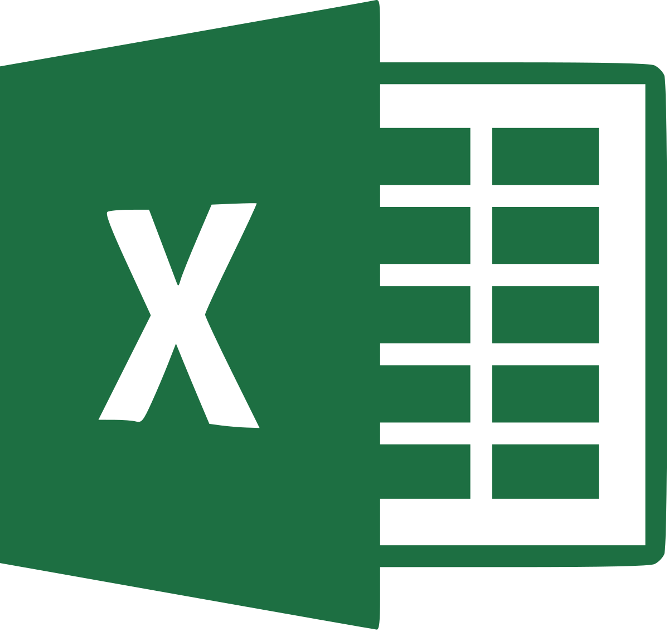

Microsoft Excel DocNet test File.

